EditorScriptTool
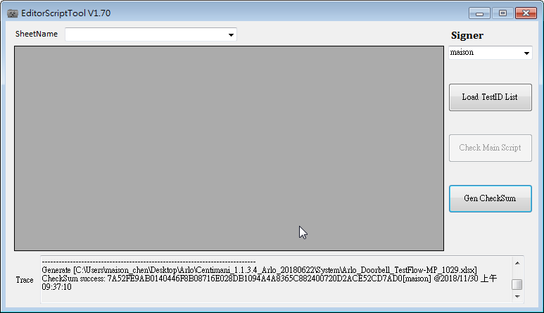
Step1 | 選擇 user & 輸入 Password
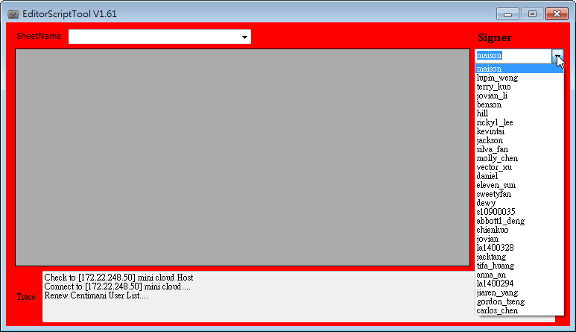
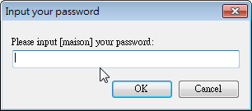

Step2 | 選擇 TestID list & Main Script
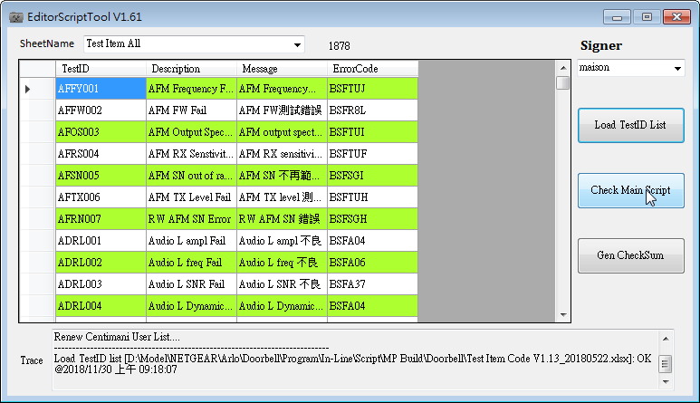

Step3 | 若出現錯誤，請查看相 對目錄下 CentimaniTrace.log 並排除異常 item
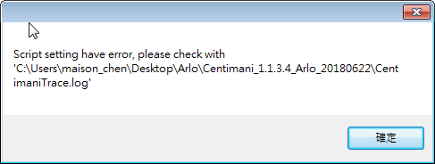
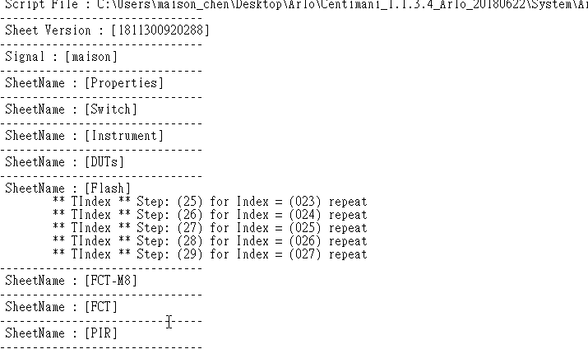

Step4 | Generate CheckSum，過程中如若沒彈出異常訊息，即表完成 (如若沒增加任何 Test ID(Step) 狀況下，可直接 Gen Checksum)

RF_Switch
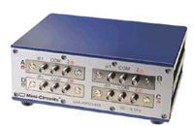
Function | Parameters |  |  | Desc.
LoadSettings(string Settings)
Example:
Open(string Params, ref string Msg)
string execFunction(string APIName, string Param, string RetValues)
API name | Parameters | RetValues | Output
Set_Switch | SwitchName ( A to D),Port(0 to 1) |  | 1 | Set Switch

Example: | Parameters | RetValues | Output | Desc.
Set_Switch | A,1 |  | 1 | Set Switch
Set_Switch | B,1 |  | 1 | Set Switch
Set_Switch | A,0 |  | 1 | Set Switch

Install package | necessary libraries
mcl_RF_Switch_Controller64.dll請放在CentimaniSystem.exe同層資料夾下
RF_Switch.dll請放在Device資料夾下

Send | Reply | EndPrompt | Ref | Validation | Return
:Dev.Set_Switch,"A,1," | 0 |  | Switch_Status | (Switch_Status,%s,1,1);
:Delay,"1000" | 0
:Dev.Set_Switch,"A,0," | 0 |  | Switch_Status | (Switch_Status,%s,1,1);
:Delay,"1000" | 0

